Sheet1
CURRICULUM VITAE

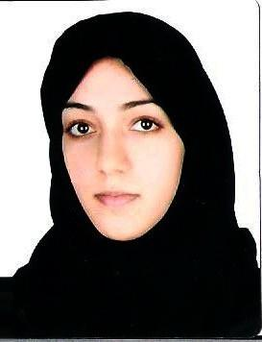
PERSONAL DETAILS
ZAHRA S.SALMAN EBRAHIM MAHFOOD | Name
881009202 | CPR No.
1988-10-20 | Date of Birth
BAHRAINI | Nationality
BLDG: 1313 ROAD 2349 SAR 523 | Address
36573742 | Phone No.
ALHASHOMIA@HOTMAIL.COM | E-Mail

QUALIFICATIONS

National Diploma in IT Practitioners (System Support) 2010 - 2014
Bahrain Training Institute
Associate Diploma in Software Development & Databases 2006 - 2009
University of Bahrain
High School 2003 - 2006
Scientific Secondary School

SKILLS
IT Skills : l- Computer Literate (MS Office).
Communication Skills: Good in listening,Speaking,Writing & Reading(Ar.& Eng.)

INTERESTS & HOBBIES
Project Management-Scientific Books .
Drawing & Painting.

Last Update: 27/06/2018

